INSTRUCTIONS
Instructions: Asset Score Retrofit Cost Estimator

Instructions

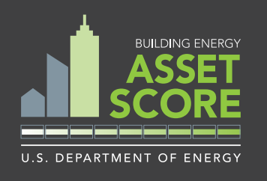
-STEP 1: Enter and complete a Building Energy Asset Score simulation at:
https://buildingenergyscore.energy.gov/

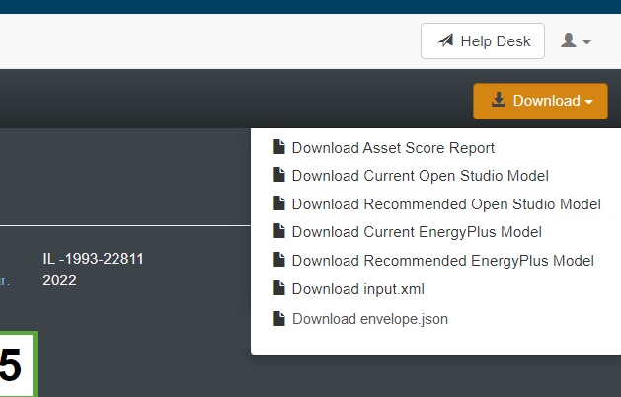 -STEP 2: Download your Asset Score PDF report by selecting the dropdown in the top right

-STEP 3: Navigate to the CostEstimateCalculator tab of this spreadsheet and enter your building's data into the white cells of the INPUTS section of the sheet. These properties should be found in your Asset Score Report.

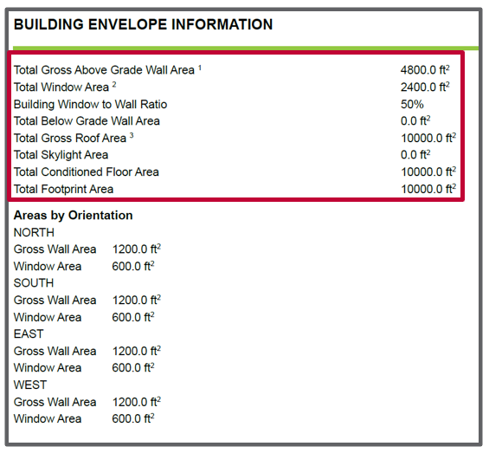

-STEP 4: Navigate to the UPGRADE OPPORTUNITIES portion of the AS report and determine which energy conservation measures (ECMs) you would like to consider for cost evaluation.

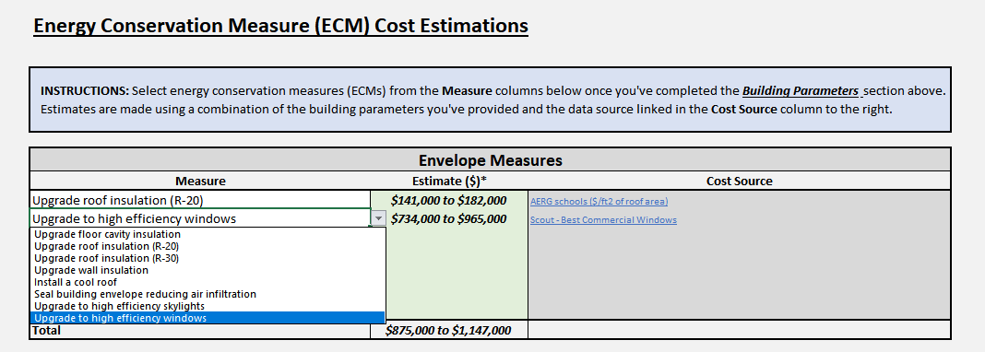 -STEP 5: Select ECMs from the dropdowns found in Energy Conservation Measure (ECM) Cost Estimations section for itemized Envelope, HVAC, and Miscellaneous cost estimations*

*DISCLAIMER - Any estimates provided by this tool are based on high level approximations based upon literature review, subject matter expertise, and industry approximations. Every facility improvement project is unique, with various considerations for inflation, regional material costs, and regional labor costs. These estimates are NOT a guarantee for pricing. Developers of this tool accept no liability for these estimates and recommend users rely on independent quotations from accredited professionals.

